Ticket Booking
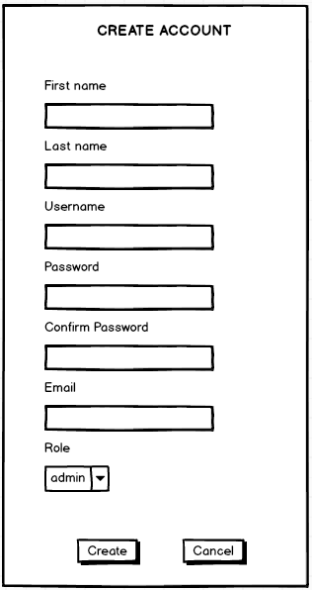
Common information |  |  | Project name |  | Online movie ticket ordering |  |  |  | Creator | Lương Đức Anh
 |  |  | System name |  |  |  |  |  | Created date | 2023-11-10
 |  |  | Phase name |  |  |  |  |  | Version
 |  |  | Document ID |  |  |  |  |  | Updated by
 |  |  | Document name |  |  |  |  |  | Updated date
Detailed information |  |  | Screen ID
 |  |  | Screen name |  | Thêm mới vé đặt
 |  |  | Outline

 | 1. | Screen image
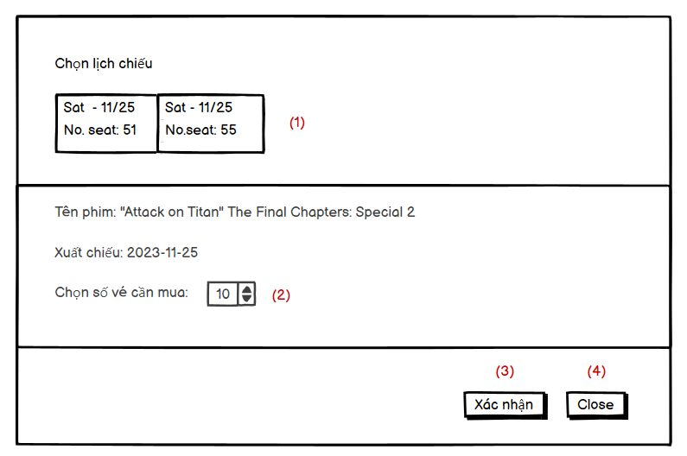

2. | Outline of function

3. | Item display
 | Item | Display |  | Type |  | I/O | Initial value | Operation
 | (1) | Ngày chiếu - Số ghế còn lại |  | Select |  | I
 | (2) | Chọn vé cần mua |  | Input |  | I
 | (3) | Xác nhận |  | Button |  | I
 | (4) | Close |  | Button

4. | Activity Diagram

5. | Sequence Diagram

6. | State Diagram

7. | Pseudo Code

8. | Unit-test case

User - View List Ticket
Common information |  |  | Project name |  | Online movie ticket ordering |  |  |  | Creator | Lương Đức Anh
 |  |  | System name |  |  |  |  |  | Created date | 2023-02-12
 |  |  | Phase name |  |  |  |  |  | Version
 |  |  | Document ID |  |  |  |  |  | Updated by
 |  |  | Document name |  |  |  |  |  | Updated date
Detailed information |  |  | Screen ID
 |  |  | Screen name |  | User - View List Ticket
 |  |  | Outline

 | 1. | Screen image

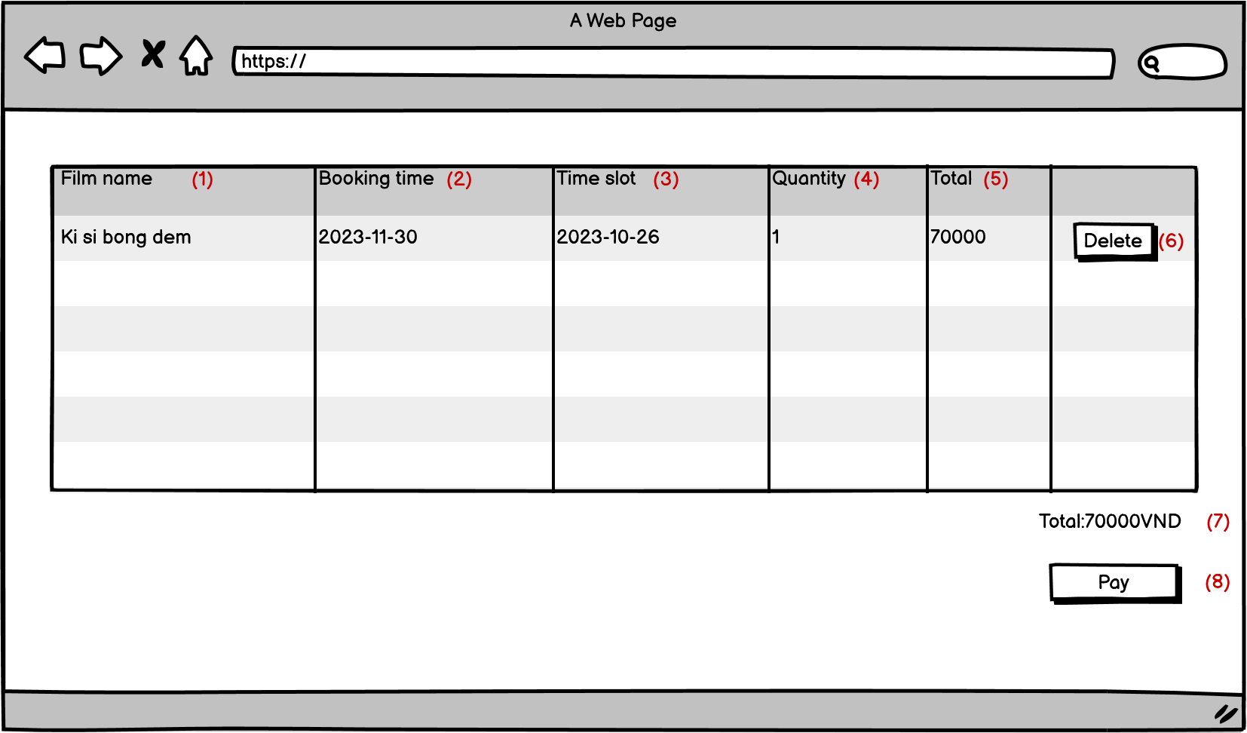

2. | Outline of function

3. | Item display
 | Item | Display |  | Type |  | I/O | Initial value | Operation
 | (1) | Film name |  | Text |  | O
 | (2) | Booking time |  | Text |  | O
 | (3) | Time slot |  | Text |  | O
 | (4) | Quantity |  | Number |  | O
 | (5) | Total |  | Number |  | O
 | (6) | Delete |  | Button |  | I
 | (7) | Total |  | Text |  | O
 | (8) | Pay |  | Button |  | I

User - Delete Ticket
Common information |  |  | Project name |  | Online movie ticket ordering |  |  |  | Creator | Lực
 |  |  | System name |  |  |  |  |  | Created date | 2023-02-12
 |  |  | Phase name |  |  |  |  |  | Version
 |  |  | Document ID |  |  |  |  |  | Updated by
 |  |  | Document name |  |  |  |  |  | Updated date
Detailed information |  |  | Screen ID
 |  |  | Screen name |  | User - Delete Ticket
 |  |  | Outline

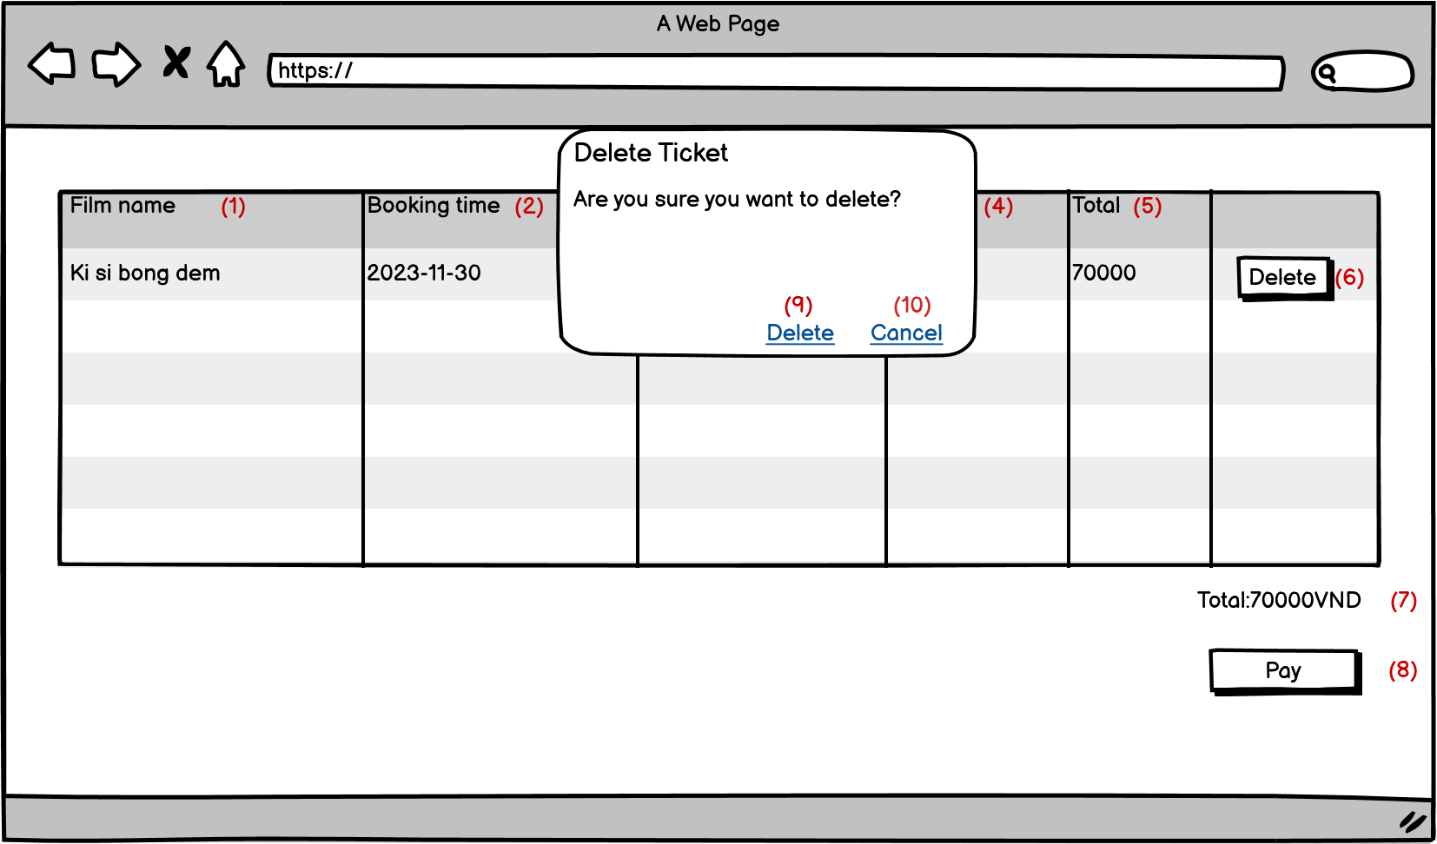
 | 1. | Screen image

2. | Outline of function

3. | Item display
 | Item | Display |  | Type |  | I/O | Initial value | Operation
 | (1) | Film name |  | Text |  | O
 | (2) | Booking time |  | Text |  | O
 | (3) | Time slot |  | Text |  | O
 | (4) | Quantity |  | Number |  | O
 | (5) | Total |  | Number |  | O
 | (6) | Delete |  | Button |  | I |  | Mở ra alert box delete ticket
 | (7) | Total |  | Text |  | O
 | (8) | Pay |  | Button |  | I
 | (9) | Delete |  | Button |  | I |  | Xác nhận xóa vé
 | (10) | Cancel |  | Buton |  | I |  | Xác nhận k xóa vé,đóng box delete ticket

